Sizing tool
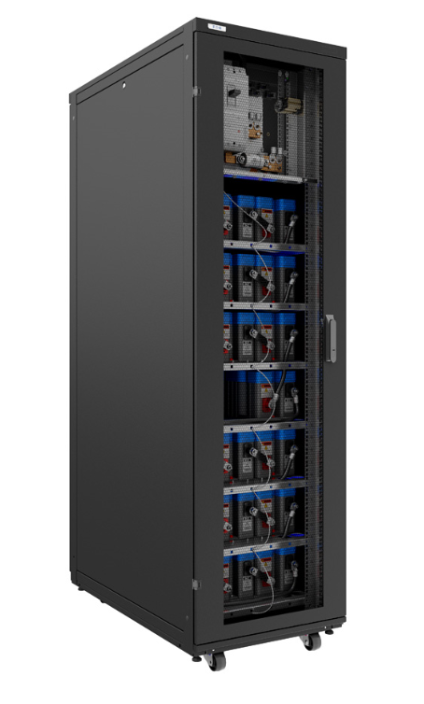
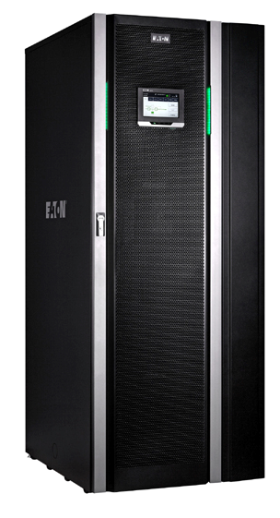
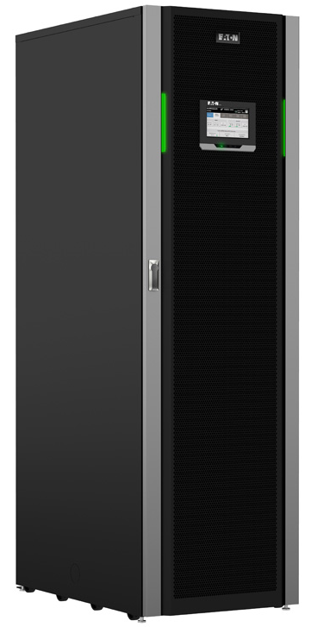
Sizing tool

Sizing tool calculates automaticlaly the needed amount of strings, number of cabinets and runtime.
BoL = Beginning of Life
EoL = End of Life
Estimated life for super capacitors:
20 years @ 30C
12 years @ 35C
8 years @ 40C
 | Select your parameters below (yellow fields):
 | Sizing | Rating [kW] | Load [%] | Runtime [s]
 | BoL | 30 | 50 | 27
 | (EoL/BoL) | (30-200kW) | (25-100%) | (3-40s)
 | Suggested solution
 | PN | Qty
 | P-105000092-002 | 1
 | P-105000092-003 | 0 |  |  | Product references
 |  |  |  |  | Part number | Description | Comment
 | Details |  |  |  | P-105000092-001 | ESC-A-0x20-EMPTY-BB-400A-24V | Empty cabinet
 | Number of strings | 1 |  |  | P-105000092-002 | ESC-A-1x10-XLM62R1137A-R-BB-400A-24V | 1 string cabinet
 | Number of capacitor blocks | 10 |  |  | P-105000092-003 | ESC-A-2x10-XLM62R1137A-R-BB-400A-24V | 2 string cabinet
 | Load [kW] | 15 |  |  | P-120000030 | CAPAC SUPER MOD 130F 62V 176x173x686mm | Super capacitor block. Already included in P-105000092-002 and P-105000092-003 cabinets
 | Available runtime BoL [s] | 103.3

